Overview
 | 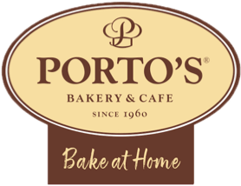
 | Porto's Bake at Home - Corporate Orders

 | General Shipping Information

Completed order forms must be received at least 1 week before their desired shipping date.
Our shipping partners can deliver orders between Wednesday - Friday.
Please make sure all shipping addresses are correct & up-to-date.

 | How to Order

Step 1: Choose Your Pastries & Add Shipping Info

Click on the “Orders” tab below.
Fill in your contact information and gift message at the top.
Fill in each recipient’s name, desired order items, and full address.
Note: please include any apartment numbers or gate codes.
Each shipment must have a minimum of 2 items, and the maximum amount is 6 items.

Step 2: Upload Your Completed Form

Once you’ve completed the form, save it to your computer.
Visit https://store.portosbakery.com/pages/corporate-orders/ (or click here).
Click the dashed, ‘Upload Form’ button, select your saved order form, and then click on the brown ‘Submit’ button.

Step 3: We'll Be In Touch!

Once the form has been uploaded, our team members will review the form, finalize any details and arrange the payment.

